Application Screen
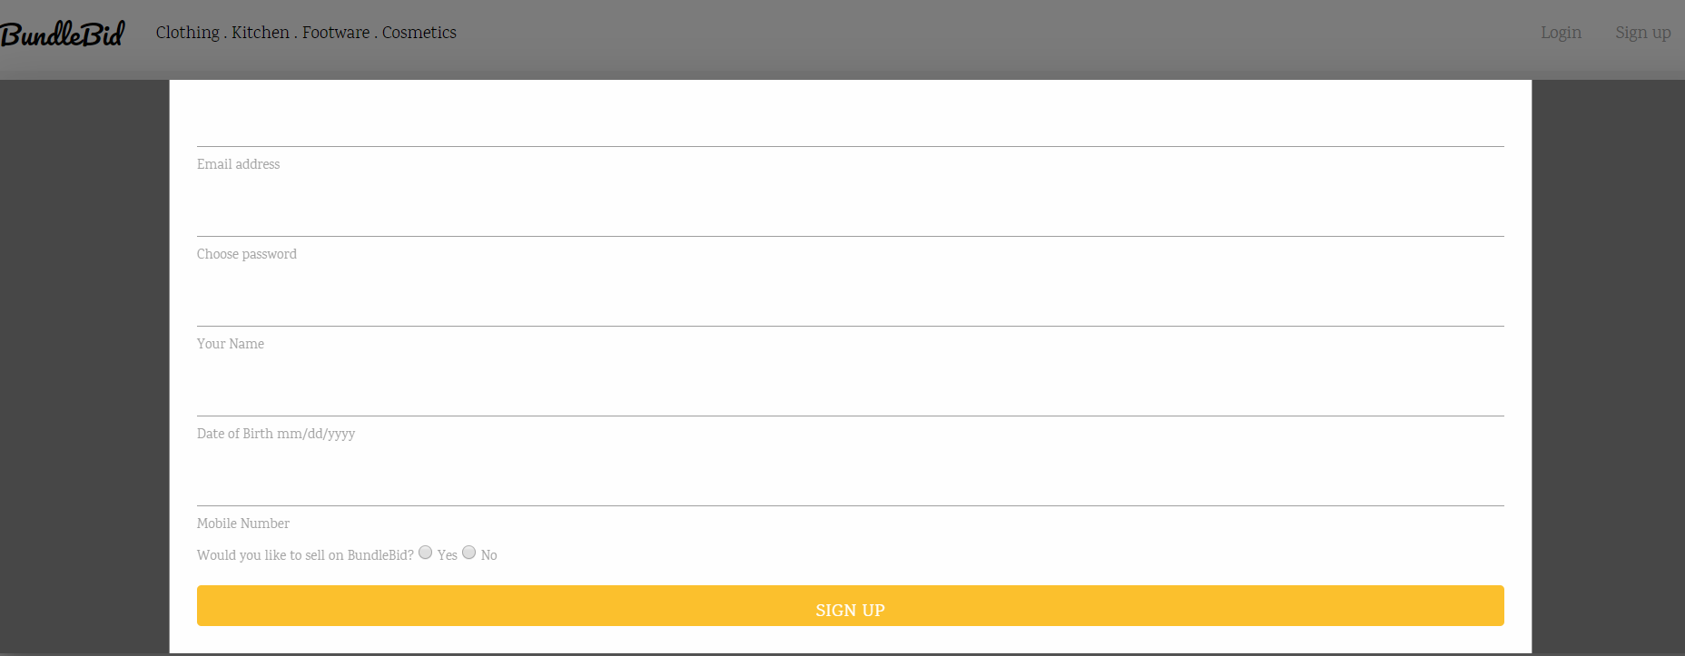
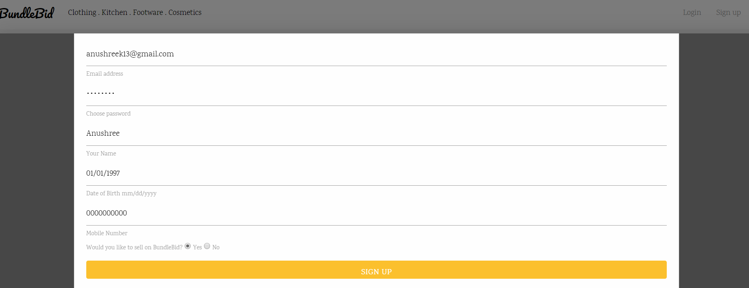
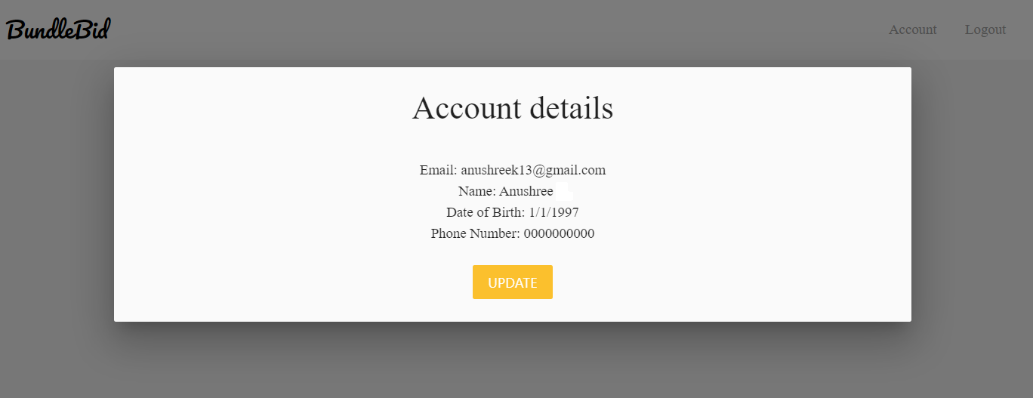

Test Case 8
DFD - Register Account
TC Title: | TC3. Register Account - Data Flow Out

TC Objective: | To test if the data entered by an user to signup for the website reflects peoperly at homepage.

User Details
02.01 Register Account
Store Details
D
User
USER
TC Description
 | Step | Step Description | Expected Results
 | 1 | Enter your name in "Enter Name" field. | User should be able to enter name.
 | 2 | Enter email id in "Email-id" field. | User should be able to enter username.
Display User details in
“Account” field
 | 3 | Enter password in the "Password" field. | User should be able to enter password.
 | 4 | Enter date of birth in "Date of Birth" field. | User Should be able to enter date of birth.
 | 5 | Enter contact number in "Mobile Number" field. | User should be able to enter mobile number.
 | 6 | Click "Register" button. | User will be registered and should be redirected to the Homepage.
 | 7 | Click on the "Account" button. | User should be able to view name, email id, date of birth, phone number which he or she entered during registration.

03.01 Browse to
homepage

